Sheet1
Legend: | If parameter from actual data, or modeled data from literature
 | If parameter calibrated to/calculated/resampled from actual data
 | If parameter estimated from regression models
 | Determined from our simulation
 | Other tuning parameters

 | Primary mining supply

 | Operating mine parameters | Source | Note | High level parameters | Source | Note
 | Ore capacity (kt) | SNL data from 2018 |  | Capacity utilization constant | Calibrated to ICSG 2018 mine capacity utilization
 | Ore treated (kt) |  |  | Total cash margin constant | 2018 operating mine median total cash margin | TCM constant can be any arbitrary positive number, but that would lead to different production elsticity
 | Cumulative ore treated (kt) |  |  | Production elasticity | Panel regression model
 | Head grade (%) |  |  | Discount rate | From SNL | SNL provided different scenarios on discount rate, from 8% to 14%.
 | Recovery rate (%) |  |  | Mine closing method | Options: 'mean', 'max' | using last n year mean or max as future price expectations for mine closing decision
 | Payable percent (%) |  |  | Mine closing year |  | using last n year mean or max as future price expectations for mine closing decision
 | Minesite cost (cents/lb) | SNL data from 2018, 2017 constant dollars |  | IRR cutoff | Literature | Baseline is 15%
 | Transport and offsite (cents/lb) |  |  | Opening subsample paramater | Calibrated to future mining benchmark | There could be a new incentive mine mechanism, to reflect the reality around incentive mines better
 | Royalty (cents/lb)
 | TCRC (cents/lb) | 2018 values from SNL, post-2018 from simulation | Pre-2018 values are mine-specific, post-2018 is based on a single value each year. We could potentially investigate how TCRC would be mine specific after 2018.
 | Overhead cost ($, annual) | SNL data from 2018, 2017 constant dollars
 | Sustaining capex ($, annual) |  |  | Scrap supply
 | Reclamation ($) | SNL models reclamation as a sustaining cost, but we aggregate those up as a total cost
 | Ore grade elasticity | Calibrate to closing year, or 2017 yearend reserves
 |  |  |  | Parameters | Source | Note
 | New mine parameters | Source | Note | Sector to product matrix | Based on fraunhofer work, dx.doi.org/10.1021/es400069b. Calculated from five year average data of ICA sector to product (2006-2010)
 | Ore capacity (kt) | Resampled with perturbation, from operating mines (with cumulative ore/ore capacity<3). Payable percent resampled without perturbation |  | Product to waste matrix | Fraunhofer work
 | Ore treated (kt) |  |  | Product lifetime | Fraunhofer work
 | Cumulative ore treated (kt) |  |  | Product lifetime distribution |  | Baseline is lognormal distribution
 | Head grade (%) |  |  | Product lifetime lognormal distribution sigma to mu ratio |  | Baseline is 0.1
 | Recovery rate (%) |  |  | Product to shape matrix | Based on fraunhofer work, Calculated from five year average data of ICA sector to product (2006-2010)
 | Payable percent (%) |  |  | Recycling efficiency by waste type | Fraunhofer work | Important tuning parameters for scrap supply shock scenarios
 | Minesite cost (cents/lb) |  |  | Collection rate by waste type | Fraunhofer work
 | Transport and offsite (cents/lb) |  |  | Home scrap ratio | Calibrated to historical scrap demand | Warning: in current simulation system, higher home scrap ratio just means lower scrap supply, without changing copper demand. Unless demand is changed to a function of fabrication efficiency, this should not be tuned in scenarios.
 | Royalty (cents/lb) |  |  | Tolling scrap ratio
 | TCRC (cents/lb) | From simulation | Pre-2018 values are mine-specific, post-2018 is based on a single value each year. We could potentially investigate how TCRC would be mine specific after 2018. | New scrap ratio |  | Baseline is 0.1 constant
 | Overhead cost ($, annual) | Resampled with perturbation |  | Fabrication efficiency | Fraunhofer work | Note: according to Fraunhofer: 'Particularly in the case of fabrication efficiencies, the estimates from the industry were often lower than those from external observers. In case of dissent, the values used were those coming from the industry.' This is indication that these are not overall efficiency, but batch efficiency
 | Sustaining capex ($, annual)
 | Reclamation ($) | Calculated the distribution from per ore capacity reclamation | For operating mines, not all has reclamation. For all new mines, it is assumed that there is a reclamation cost
 | Ore grade elasticity | Resampled with perturbation

 | Copper demand |  |  | Price formation

 | Parameters | Source | Note | Parameters | Source | Note
 | GDP growth prediction | Based on multiple sources from UN, World bank, etc. | Independentl Total GDP and population prediction | Delta cathode price to cathode SD balance | ARDL model
 | Volume growth prediction | Multiple sources + modeled |  | Delta TCRC to concentrate SD balance
 | 2018 initial intensity | Mencer demand + multiple sources for volume |  | Delta No.2 spread to scrap SD balance | Values assigned | 0.0845 is the value which makes SD effect 10% of cathode effect
 | Sector*Region demand elasticities | Karan's Bayesian regression estimate | Total 21 parameters | Delta No.2 spread delta cathode price | ARDL model
 | Region GDP elasticities |  |  | Delta No.1 spread to scrap SD balance |  | Not useful for displacement, only useful for blending
 |  |  |  | Delta No.1 spread delta cathode price | ARDL model

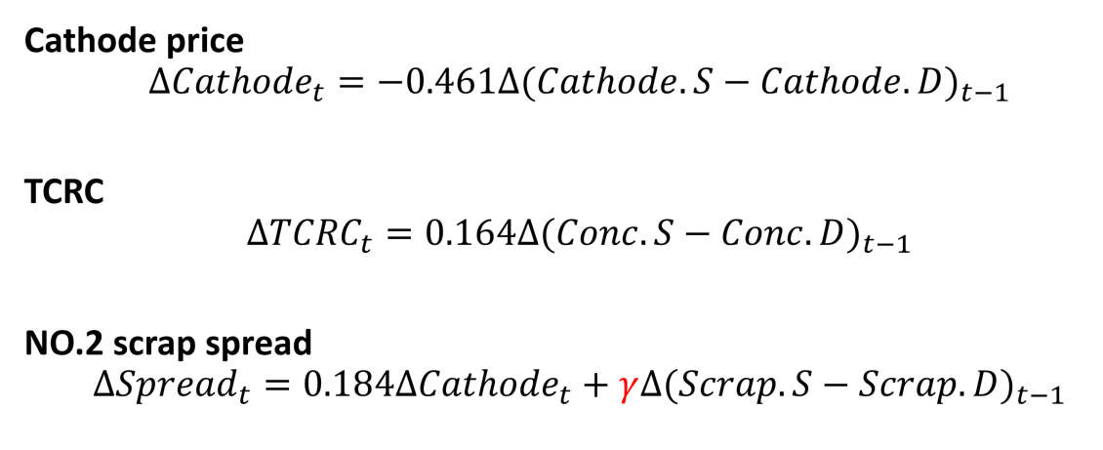
 | Refinery
 | Parameters | Source | Note
 | 2018 Primary refinery capacity | Calculated from ICSG data
 | 2018 Secondary refinery capacity | Calculated from ICSG data
 | 2018 Capacity utilization rate of all refineries | Calibrated to ICSG refinery CU
 | Primary CU long run elasticity to TCRC | Panel regression | Regression is to spot TCRC, but simulation is on Annual TCRC
 | Secondary CU long run elasticity to TCRC | Panel regression
 | 2018 secondary ratio | Woodmac 2016 baseline + prediction using regression estimates | Woodmac secondary ratio might be biased. Total secondary production reported from Woodmac is only 40% of ICSG, but total refinery production is on the same level. Apparently Woodmac is missing significant part of sec ref prod.
 | Secondary ratio long run elasticity to TCRC | Panel regression
 | Secondary ratio long run elasticity to No.2 spread to LME price | Panel regression
 | Concentrate to cathode efficiency | Calculated from ICSG data | Global average taking SX-EW into account, roughly 99%
 | No.2 scrap to cathode efficiency | Fraunhofer | Also 99% baseline

